Data Aug Details
Speaker | Layer Frozen | Training Loss Graph | Training Accuracy Graph | Accuracy | % Change from Normal

F05 | Augmented_F05_D3 | 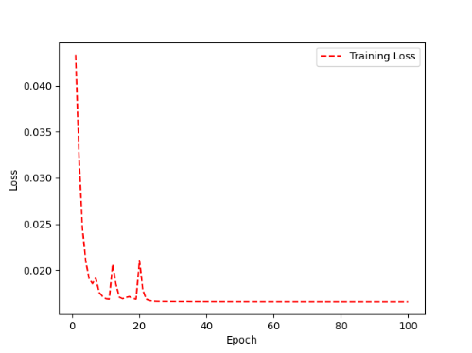 | 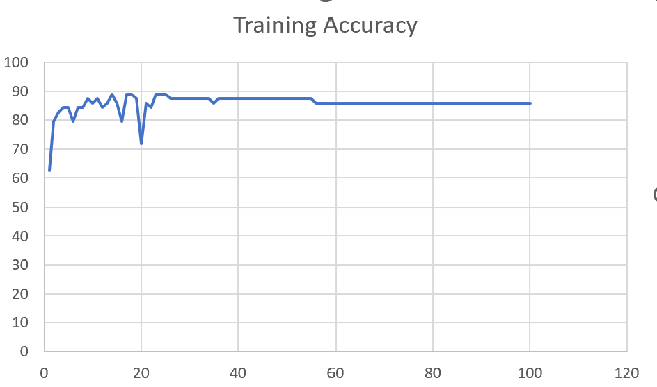 | 93 | 2

 | Augmented_F05_TE | 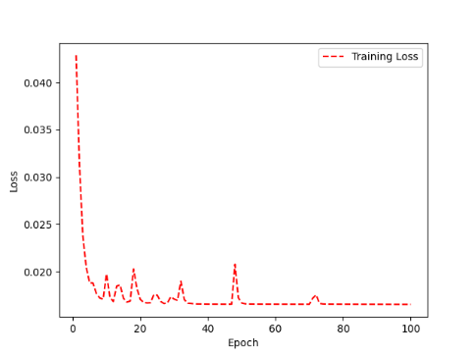 | 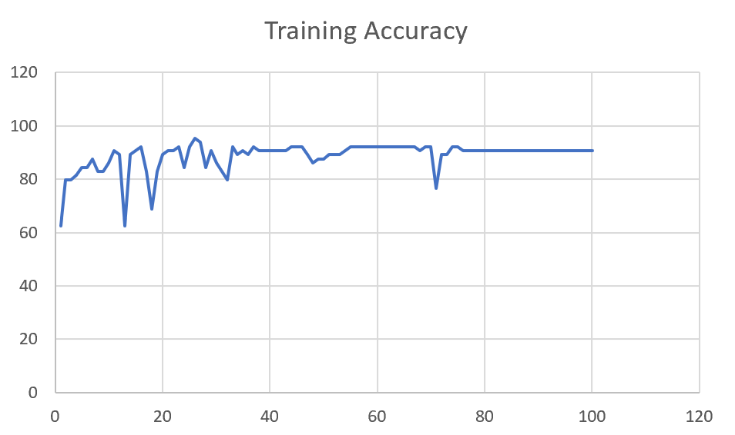 | 93 | 3

M08 | Augmented_M08_T3+D123 | 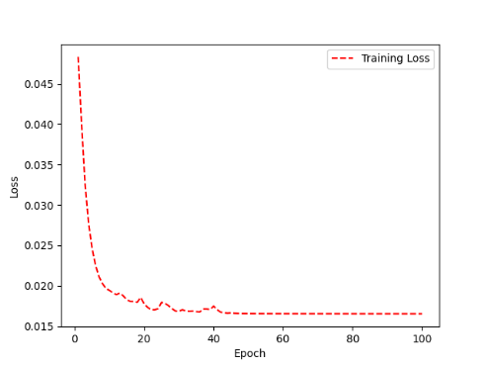 | 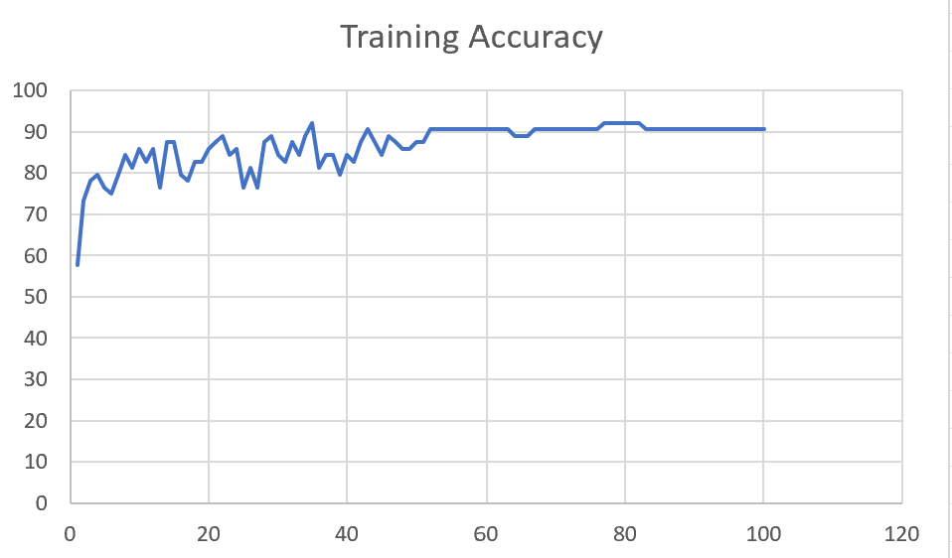 | 88 | 4

 | Augmented_M08_T3+D12 | 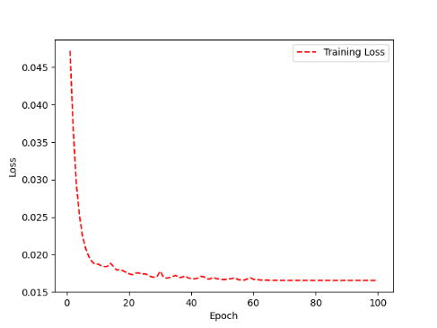 | 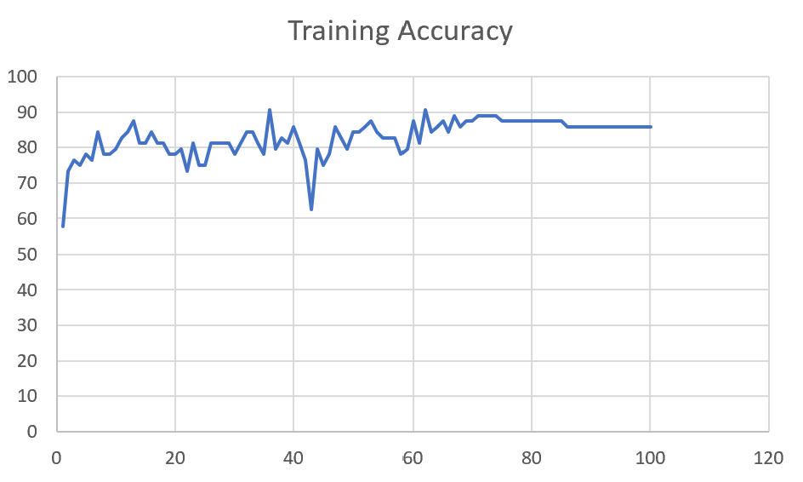 | 88 | 6

M10 | Augmented_M10_T3+D1 | 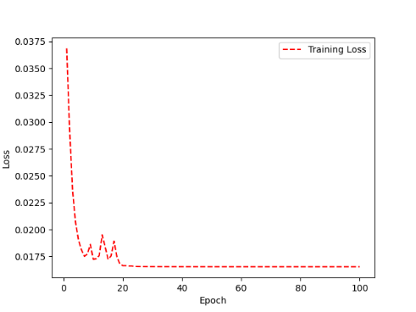 | 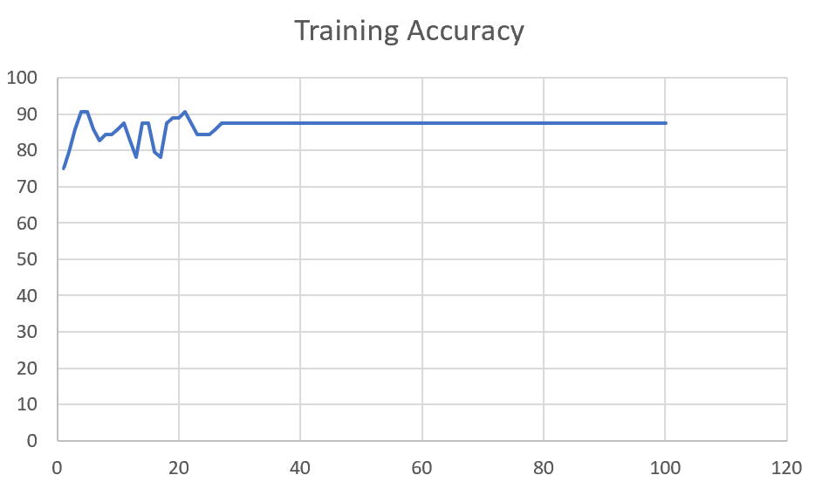 | 91 | -1

 | Augmented_M10_E1 | 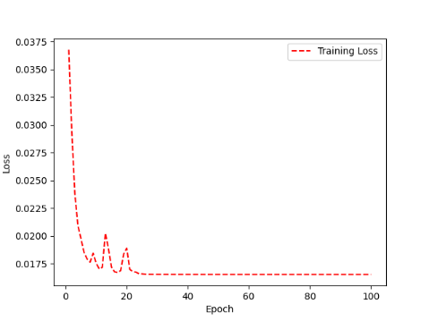 | 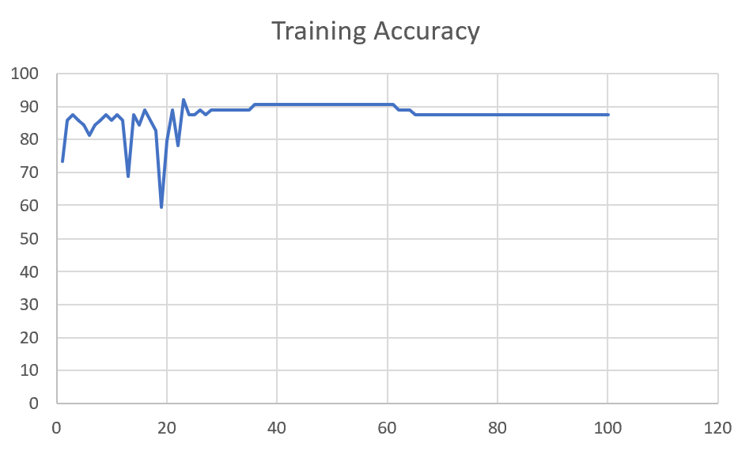 | 91 | 0

M14 | Augmented_M14_D3 | 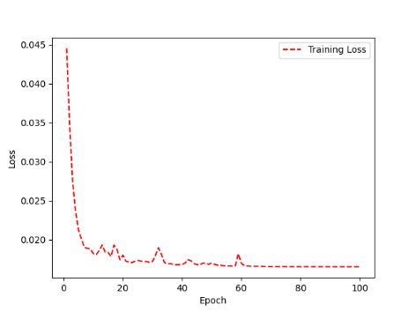 | 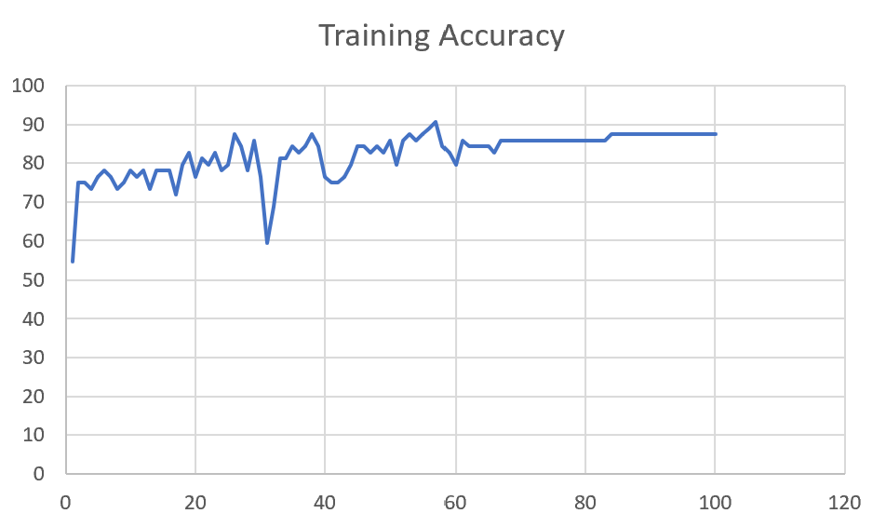 | 84

 | Augmented_M14_T3+D1 | 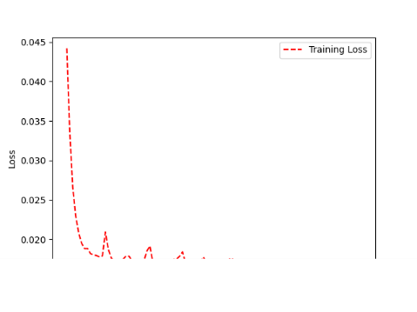 | 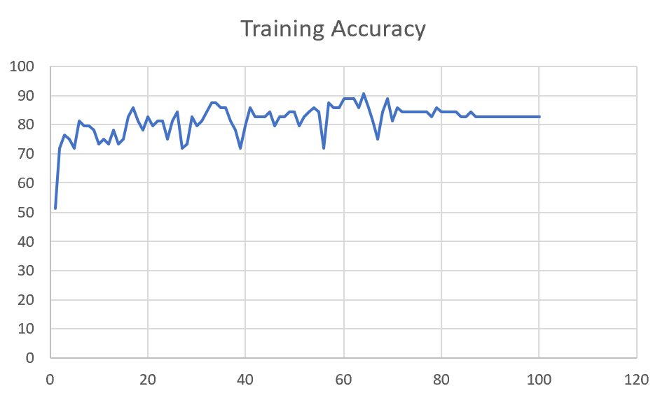 | 85

M09 | Augmented_M09_D3 | 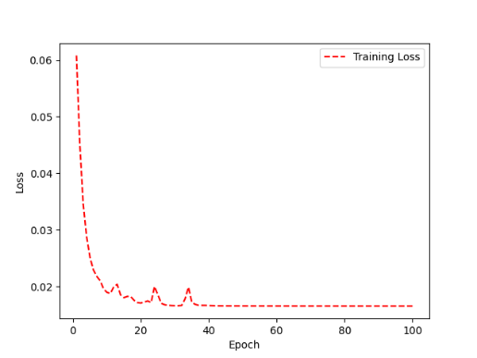 | 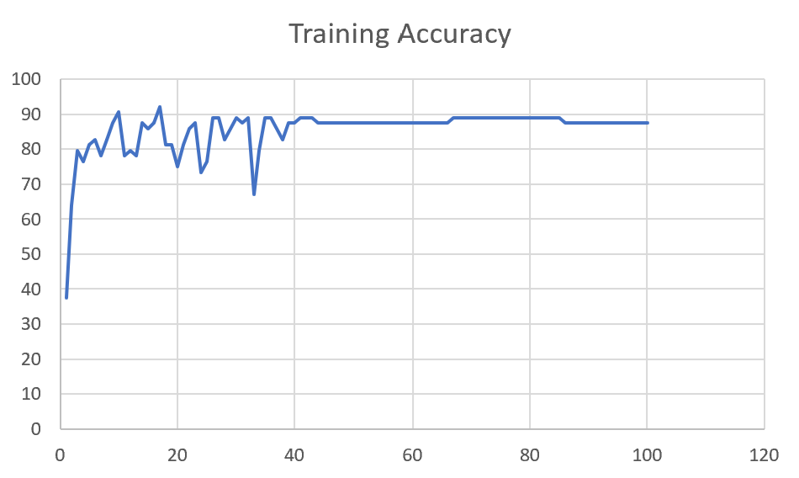 | 84

 | Augmented_M09_TE | 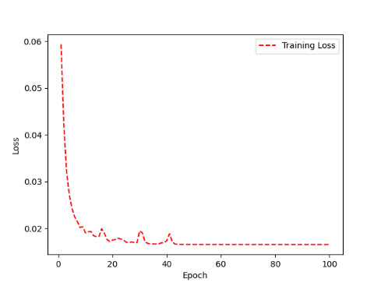 | 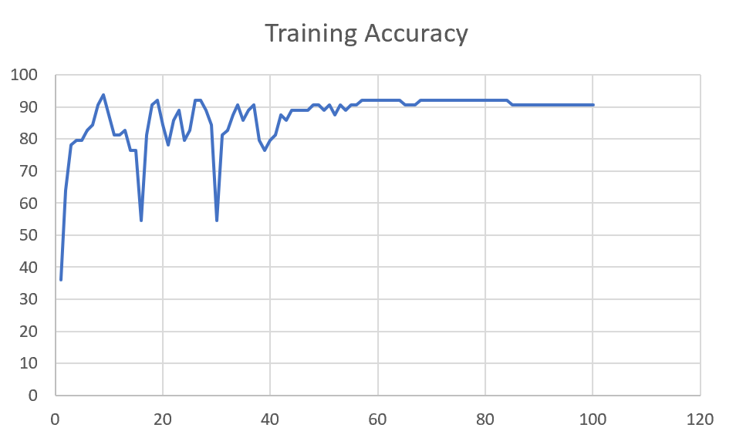 | 82

F04 | Augmented_F04_TE | 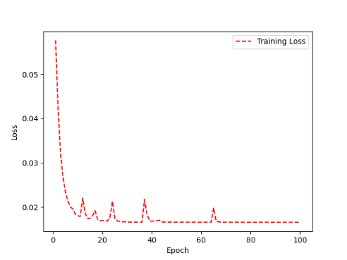 | 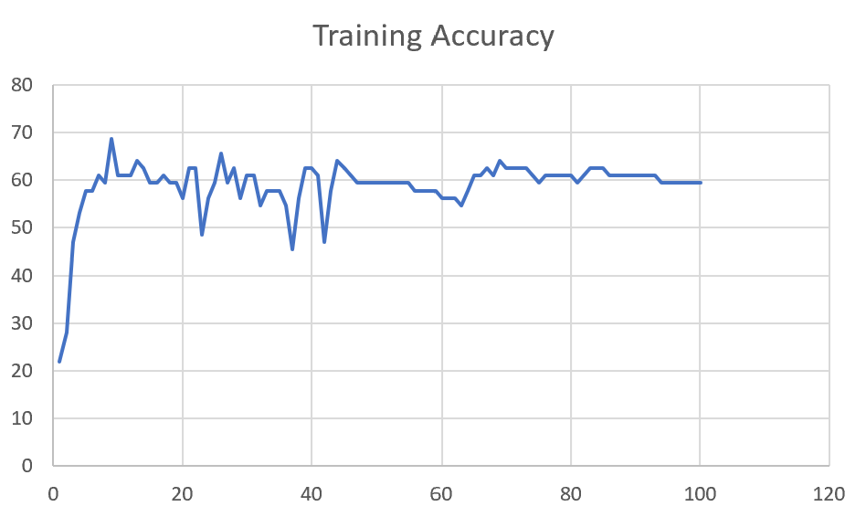 | 69

 | Augmented_F04_TE+D1 | 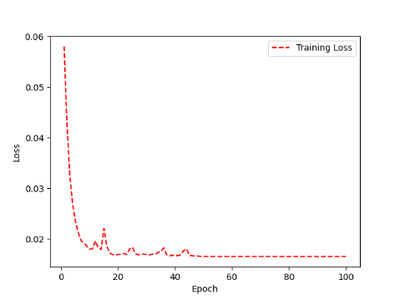 | 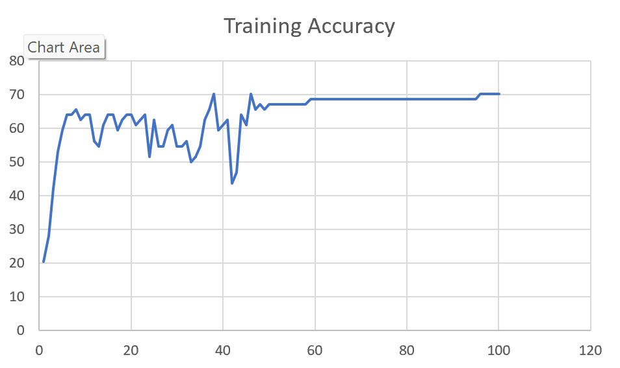 | 72

M11 | Augmented_M11_TE | 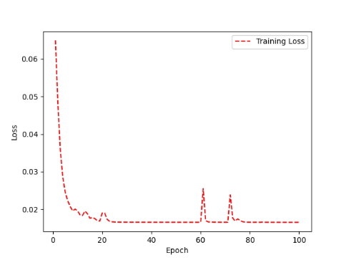 | 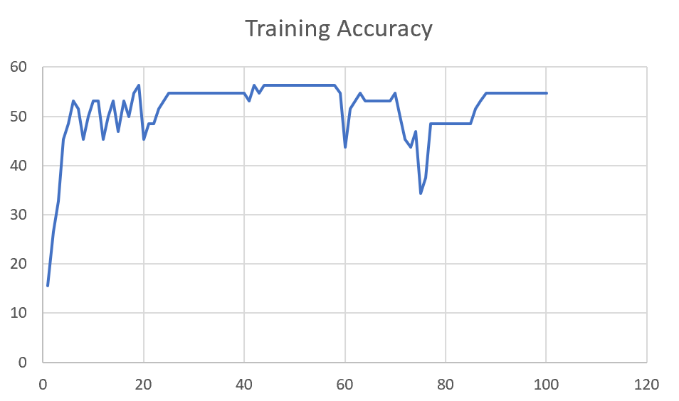 | 55

 | Augmented_M11_D3 | 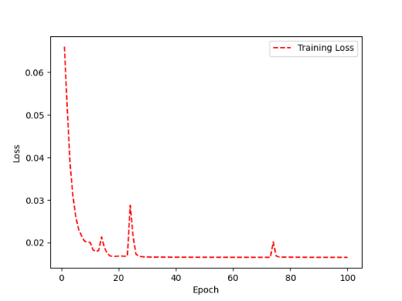 | 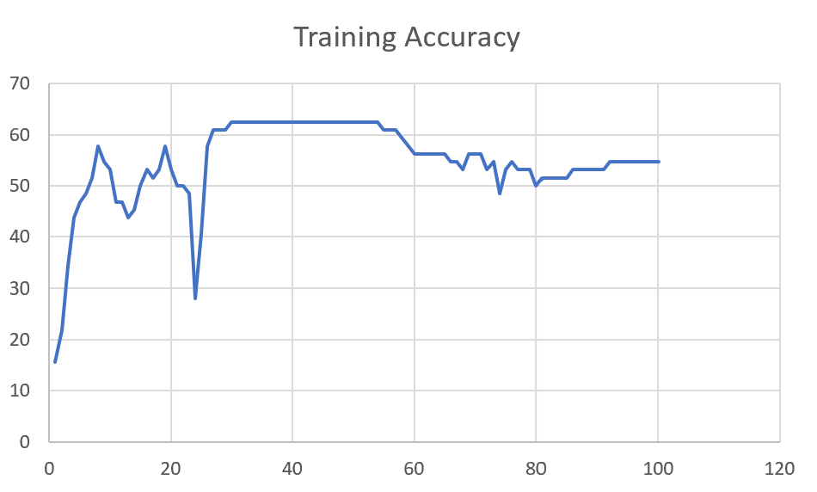 | 58

M05 | Augmented_M05_D3

 | Augmented_M05_TE+D1

M16 | Augmented_M16_D3

 | Augmented_M16_TE+D1

F02 | Augmented_F02_TE

 | Augmented_M05_TE+D1

M07 | Augmented_M07_D3

 | Augmented_M07_TE+D12

M01 | Augmented_M05_D3

 | Augmented_M05_TE+D1

M12 | Augmented_M12_TE+D1

 | Augmented_M12_D3

F03 | Augmented_F03_TE+D1

 | Augmented_F03_TE

M04 | Augmented_M04_TE

 | Augmented_M04_E1

Sheet1
 |  |  | Training Accuracy
0 | 0.84375 | 1 | 15.625
1 | 0.78125 | 2 | 21.875
2 | 0.65625 | 3 | 34.375
3 | 0.5625 | 4 | 43.75
4 | 0.53125 | 5 | 46.875
5 | 0.515625 | 6 | 48.4375
6 | 0.484375 | 7 | 51.5625
7 | 0.421875 | 8 | 57.8125
8 | 0.453125 | 9 | 54.6875
9 | 0.46875 | 10 | 53.125
10 | 0.53125 | 11 | 46.875
11 | 0.53125 | 12 | 46.875
12 | 0.5625 | 13 | 43.75
13 | 0.546875 | 14 | 45.3125
14 | 0.5 | 15 | 50
15 | 0.46875 | 16 | 53.125
16 | 0.484375 | 17 | 51.5625
17 | 0.46875 | 18 | 53.125
18 | 0.421875 | 19 | 57.8125
19 | 0.46875 | 20 | 53.125
20 | 0.5 | 21 | 50
21 | 0.5 | 22 | 50
22 | 0.515625 | 23 | 48.4375
23 | 0.71875 | 24 | 28.125
24 | 0.59375 | 25 | 40.625
25 | 0.421875 | 26 | 57.8125
26 | 0.390625 | 27 | 60.9375
27 | 0.390625 | 28 | 60.9375
28 | 0.390625 | 29 | 60.9375
29 | 0.375 | 30 | 62.5
30 | 0.375 | 31 | 62.5
31 | 0.375 | 32 | 62.5
32 | 0.375 | 33 | 62.5
33 | 0.375 | 34 | 62.5
34 | 0.375 | 35 | 62.5
35 | 0.375 | 36 | 62.5
36 | 0.375 | 37 | 62.5
37 | 0.375 | 38 | 62.5
38 | 0.375 | 39 | 62.5
39 | 0.375 | 40 | 62.5
40 | 0.375 | 41 | 62.5
41 | 0.375 | 42 | 62.5
42 | 0.375 | 43 | 62.5
43 | 0.375 | 44 | 62.5
44 | 0.375 | 45 | 62.5
45 | 0.375 | 46 | 62.5
46 | 0.375 | 47 | 62.5
47 | 0.375 | 48 | 62.5
48 | 0.375 | 49 | 62.5
49 | 0.375 | 50 | 62.5
50 | 0.375 | 51 | 62.5
51 | 0.375 | 52 | 62.5
52 | 0.375 | 53 | 62.5
53 | 0.375 | 54 | 62.5
54 | 0.390625 | 55 | 60.9375
55 | 0.390625 | 56 | 60.9375
56 | 0.390625 | 57 | 60.9375
57 | 0.40625 | 58 | 59.375
58 | 0.421875 | 59 | 57.8125
59 | 0.4375 | 60 | 56.25
60 | 0.4375 | 61 | 56.25
61 | 0.4375 | 62 | 56.25
62 | 0.4375 | 63 | 56.25
63 | 0.4375 | 64 | 56.25
64 | 0.4375 | 65 | 56.25
65 | 0.453125 | 66 | 54.6875
66 | 0.453125 | 67 | 54.6875
67 | 0.46875 | 68 | 53.125
68 | 0.4375 | 69 | 56.25
69 | 0.4375 | 70 | 56.25
70 | 0.4375 | 71 | 56.25
71 | 0.46875 | 72 | 53.125
72 | 0.453125 | 73 | 54.6875
73 | 0.515625 | 74 | 48.4375
74 | 0.46875 | 75 | 53.125
75 | 0.453125 | 76 | 54.6875
76 | 0.46875 | 77 | 53.125
77 | 0.46875 | 78 | 53.125
78 | 0.46875 | 79 | 53.125
79 | 0.5 | 80 | 50
80 | 0.484375 | 81 | 51.5625
81 | 0.484375 | 82 | 51.5625
82 | 0.484375 | 83 | 51.5625
83 | 0.484375 | 84 | 51.5625
84 | 0.484375 | 85 | 51.5625
85 | 0.46875 | 86 | 53.125
86 | 0.46875 | 87 | 53.125
87 | 0.46875 | 88 | 53.125
88 | 0.46875 | 89 | 53.125
89 | 0.46875 | 90 | 53.125
90 | 0.46875 | 91 | 53.125
91 | 0.453125 | 92 | 54.6875
92 | 0.453125 | 93 | 54.6875
93 | 0.453125 | 94 | 54.6875
94 | 0.453125 | 95 | 54.6875
95 | 0.453125 | 96 | 54.6875
96 | 0.453125 | 97 | 54.6875
97 | 0.453125 | 98 | 54.6875
98 | 0.453125 | 99 | 54.6875
99 | 0.453125 | 100 | 54.6875
<__main__.DisplayOutputs object at 0x7efb9b46dca0> | 0.453125 | #VALUE! | 54.6875
<__main__.DisplayOutputs object at 0x7efb9b46dca0> | 0.359375 | #VALUE! | 64.0625
<__main__.DisplayOutputs object at 0x7efb9b46dca0> | 0.46875 | #VALUE! | 53.125
<__main__.DisplayOutputs object at 0x7efb9b46dca0> | 0.453125 | #VALUE! | 54.6875
<__main__.DisplayOutputs object at 0x7efb9b46dca0> | 0.421875 | #VALUE! | 57.8125
<__main__.DisplayOutputs object at 0x7efb9b46dca0> | 0.484375 | #VALUE! | 51.5625
<__main__.DisplayOutputs object at 0x7efb9b46dca0> | 0.4375 | #VALUE! | 56.25
<__main__.DisplayOutputs object at 0x7efb9b46dca0> | 0.390625 | #VALUE! | 60.9375
<__main__.DisplayOutputs object at 0x7efb9b46dca0> | 0.421875 | #VALUE! | 57.8125
<__main__.DisplayOutputs object at 0x7efb9b46dca0> | 0.390625 | #VALUE! | 60.9375
<__main__.DisplayOutputs object at 0x7efb9b46dca0> | 0.34375 | #VALUE! | 65.625
<__main__.DisplayOutputs object at 0x7efb9b46dca0> | 0.46875 | #VALUE! | 53.125
<__main__.DisplayOutputs object at 0x7efb9b46dca0> | 0.34375 | #VALUE! | 65.625
<__main__.DisplayOutputs object at 0x7efb9b46dca0> | 0.375 | #VALUE! | 62.5
<__main__.DisplayOutputs object at 0x7efb9b46dca0> | 0.5 | #VALUE! | 50
 |  | 1 | 100
 |  | 1 | 100
<__main__.DisplayOutputs object at 0x7fcfe04bb910> | 0.640625
<__main__.DisplayOutputs object at 0x7fcfe04bb910> | 0.50819672131

